1. Title Page
[Instacart Basket Analysis]

Project Name: Instacart Basket Analysis
Date: November 21, 2022
Analyst Name: Kristina Solis

Contents:
Population Flow
Consistency checks
Wrangling steps
Column derivations
Visualizations
Recommendations

Data source:
“The Instacart Online Grocery Shopping Dataset 2017”, Accessed from https://www.instacart.com/datasets/grocery-shopping-2017 on November 10, 2022.

2. Population Flow
Title page

Population flow

Exclusion flag
Condition: max_order <
Obervations to be removed:
Final total count of order_products_all:

Orders_products_combined
Orders_products_merged
Orders_products_all

Total: 32,434,489
Total: 32,404,859
Total: 32,404,859

1.) The grey boxes in the first row of the population flow represent the original data sets as they were when you downloaded them. In the Total fields you need to add the count of the rows when you imported the data set into Jupyter.
2.) The second row of boxes (coloured) represents the data sets after you manipulated them, e.g., removed missing values and duplicates. In the Total fields you need to add the count of the rows after conducting these operations. This offers a visual oveview of how the data flows throughout the data consistency checks.
3.) The third row, where also the arrows are coloured, represents the merges you performed between the datasets. In the Total fields you need to add the count of the rows in the merged datasets, so that you end up with the final dataset (in the red box). Keep in mind the final dataset should be without exclusions (based on the exclusion flag).

3. Consistency checks
 |  |  |  | Title page
Consistency checks

Dataset | Missing values | Missing values treatment | Duplicates
orders | 206206 (days_since_prior_order) | Vaues represented new customer/first orders. A new column was created to flag new vs returning customers, but NaN values remained in place in column. | 0
products | 16 (product_name) | Left as missing | 5
orders_products_prior | none | N/A | 0
customers | 11259 (first_name) | First and last names were removed since they were a PII risk. Customers still had unique identifiers via their user_id (later changed to customer_id) | 0
departments | none, but dataframe has a set columns for missing values | N/A | 0

4. Wrangling steps
 |  |  |  |  | Title page
Wrangling steps

Data set | Columns dropped | Columns renamed | Columns' type changed | Comment/Reason
orders |  | orders_dow |  | not obvious name; changed to orders_day_of_week
 |  |  | order_id, user_id | changed from integer to string; id number not used for calculations
 | eval_set |  |  | unnecessary
 |  | user_id |  | changed to customer_id
customers | First Name and Surname |  |  | PII, dropped for security purposes
 | date_joined |  |  | unnecessary
 |  | user_id |  | changed to customer_id to match orders data for merge.
products | Unnamed: 0 |  |  | unnecessary
orders_products_merged |  | busiest day |  | changed to Busiest Days; instructed
instacart_loyalty | loyalty_flat, frequency_flat |  |  | produced accidently as result of typos
Finalall | order_id, order_number, orders_day_of_week, product_id, add_to_cart_order, reordered, product_name_x, aisle_id, department_id, prices, price_range_loc, Busiest Days, busiest_period_of_day, department, product_name_y |  |  | Dropped to make a new data set (FInalCustAgg) that is a subset of data consisting only of customer demographics and aggregated values (ie expenditures, order frequency, etc.)
FinalCustAgg |  | common_department |  | changed to department_id for merge
*multiple | _merge |  |  | dropped after succesful merge; unnessary

5. Column derivations
 |  |  |  | Title page

Column derivations and aggregations

In this tab you should add tables below that the frequences of flags/label variables that you produced after deriving them. NB: don't do this for continuous variables, only for flags.
Dataset | New column | Column/s it was derived from | Conditions
orders_products_merged | price_range_loc | prices | If price > 15, then 'High Range Product' ; If price <= 15 & >=5 then 'Mid range products; If price <= 5 then 'Low range product'
 | busiest day | orders_day_of_week | for value in 'orders_day_of_week', if value == 1 or value == 0 then 'Busiest day', if value == 4 or value == 3, then 'Slowest days', else 'Regular days'
 | busiest_period_of_day | order_hour_of_day | for value in 'order_hour_of_day', if value == 11 or value == 10, then 'Most orders'; else if value == 4 or value == 3, then 'Fewest orders', else 'Average orders'
instacart_loyalty | spender_flag | customer_id and prices(mean) | if mean price < 10 then 'Low spender', if mean price >= 10, then 'High spender'
 | frequency_flag | customer_id and days_since_prior_order(median)[called 'customer_frequency'] | If 'customer_frequency' > 20 then 'Non-Frequent Customer'; If 'customer_frequency' <= 20 and >10 then 'Regular Customer'; If 'customer_frequency' <= 10 then 'Frequent Customer', If 'customer_frequency' is null, then 'New Customer'
merge_busy_orders | loyalty_flag | customer_id, and order_number(max)[called 'max_order'] | If 'max_order' > 40 then 'Loyal customer'; If 'max_order' <=40 and >10, then 'Regular customer'; If 'max_order' <= 10 then 'New customer'
instacart_data_merged | Region | STATE | region1 = ['Maine', 'New Hampshire', 'Vermont', 'Massachusetts', 'Rhode Island', 'Connecticut', 'New York', 'Pennsylvania', 'New Jersey']
 |  |  | region2 = ['Wisconsin', 'Michigan', 'Illinois', 'Indiana', 'Ohio', 'North Dakota', 'South Dakota', 'Nebraska', 'Kansas', 'Minnesota', 'Iowa', 'Missouri']
 |  |  | region3 = ['Delaware', 'Maryland', 'District of Columbia', 'Virginia', 'West Virginia', 'North Carolina', 'South Carolina', 'Georgia', 'Florida', 'Kentucky', 'Tennessee', 'Mississippi', 'Alabama', 'Oklahoma', 'Texas', 'Arkansas', 'Louisiana']
 |  |  | region4 = ['Idaho', 'Montana', 'Wyoming', 'Nevada', 'Utah', 'Colorado', 'Arizona', 'New Mexico', 'Alaska', 'Washington', 'Oregon', 'California', 'Hawaii']
 | activity_flag | max_order' | If 'max_order' <= 5, then 'Low Activity'; If 'max_order' >5, then 'High Activity'
 | work_status | n_dependants, Age, income, parent (sum of department_id == 18) | If 'n_dependants' == 0 and 'Age' <= 24 and 'income' <= 40,000 and 'parent' == 0, then 'Student'; else if 'n_dependants' == 0 and 'Age' >= 65 and 'income' >= 40,000 and 'parent' == 0 then 'Retired'; else 'Worker'

6. Visualizations
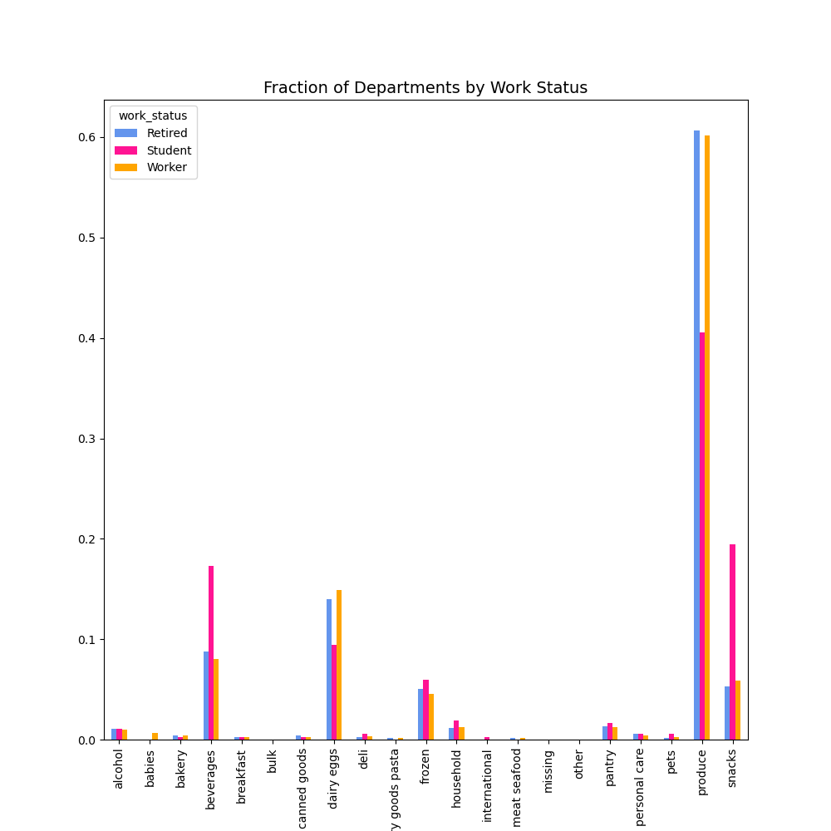
 |  | Title page

Visualisations

In this tab you should include all the visualtions from Exercises 4.9 and 4.10, alongside the questions from the project brief that they answer. Include any commentary on the relationship between different variables.

The sales team needs to know what the busiest days of the week and hours of the days are in order to schedule ads at times where there are fewer orders.
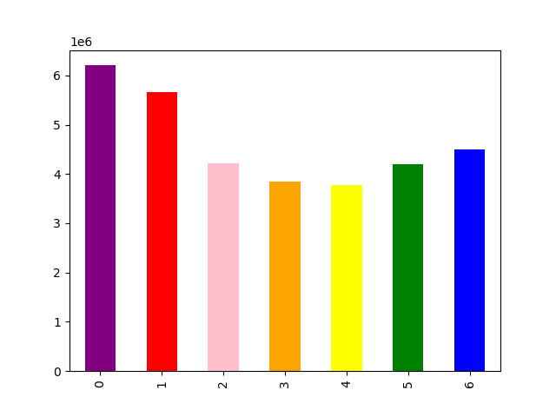


Saturday appears to be the busiest day of the week. | Orders beging to increase after 5am, hitting the highest peaks somewhere between 8-10 am. Afterwards, orders start to decline again, but only slightly. This is followed by a slight increase in activity before 3pm. After around 3pm, order activity steadly declines and continues to do so until 5am the following cycle.

They also want to know whether there are particular times of the day when people spend the most money, as this might inform the type of products they advertise at these times.
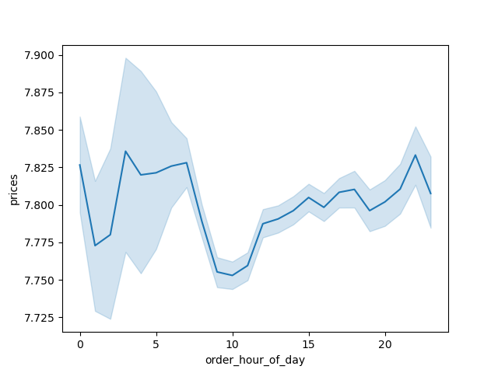

 | It appears that customers are more likely to buy more expensive products at odd hours of the morning (insomnia induced impulse buys?), then lower prices during 'regular' morning hours, then price of products bought begins to increase again after 10 am, but then fall around 8 pm.

What's the distribution among users in regards to their brand loyalty (ie how often do they return to Instacart)?

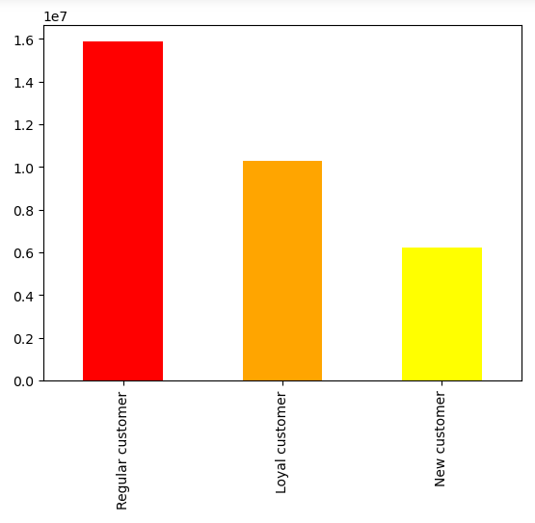

 | There are more regular customers (those that put in between 40 and 10) than loyal customers (those that have put in over 40 orders).

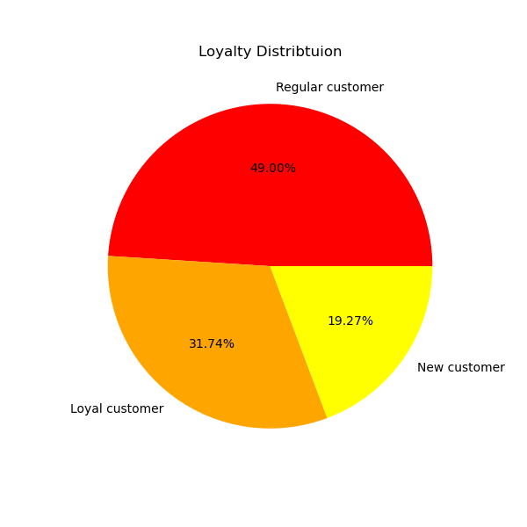

Are there differences in ordering habits based on a customer's region?

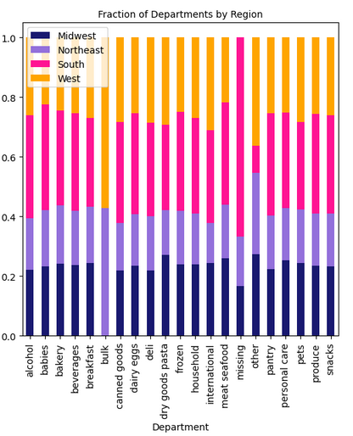

 | Products from the bulk department appear to be exclusively purchased in the West and Northeast. The South has the most purchases from the 'missing' category so it is probably useful to find what these missing items are as they should be advertised more in the South. Produce, dairy/eggs, beverages, snacks and frozen are the most utilized departments by all regions.

Explore whether there is a connection between age and spending power using a scatterplot.


 | There seems to be a sharp increase in income after the age 40 for a fraction of the population, but it appears the majority of people, of all ages, are generally beneath the 200k mark.

Determine whether there's a connection between age and family situations be creating a line chart exploring the connections between age and number of dependants.

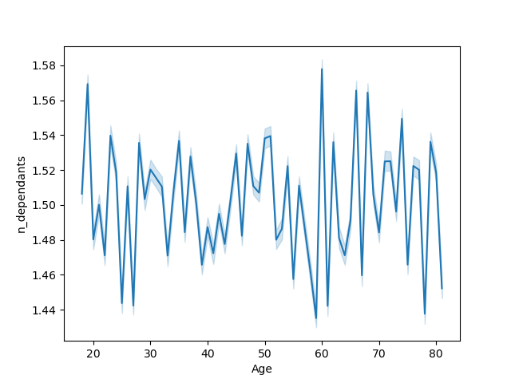
 | There is no clear correlation between Instacart customer age and number of dependants.

Show the distribution of profiles (for a created profile variable, in this case, work_status)

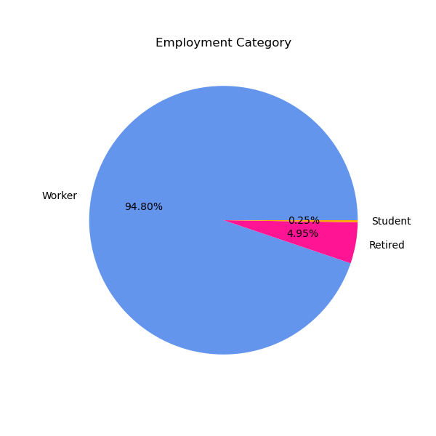
 | This variable showed that those that are likely to be college students are extremly unlikely to be customers. Likewise, those that are likely retired make up only about 5% of customers (even though it was shown that those over the age of 41 have a higher income).

Category plot of region, work status, and price

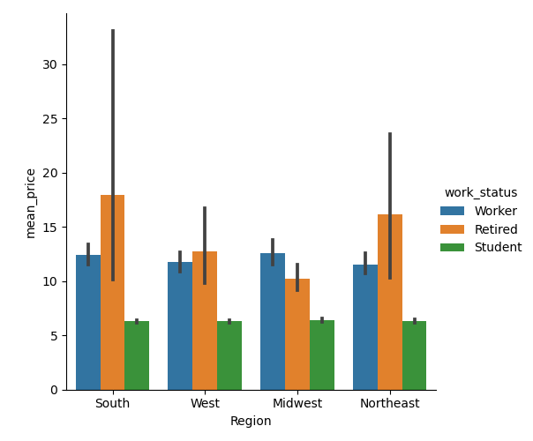
 | This illustrates that retirees in the southern region buy more expensive products than retirees in other regions, although there is also a lot of variation within the category. Students in all regions buy less expensive products, and there is little variation from one region to another.

Category plot of region, work status, and frequency

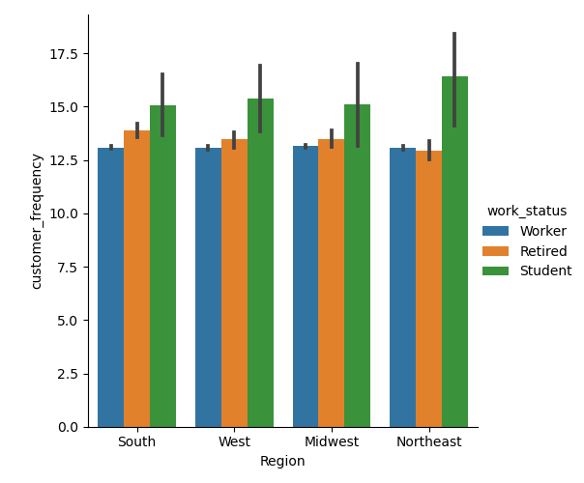
 | This illustrates that students are the most frequent customers (but also have the highest variability in frequency) in all regions. Student customer frequency is the highest in the Northeast. Retiree frequency is the second highest in all regions except for the Northeast where work force adults have the second highest frequency.

Percentage of customers by region and workstatus.

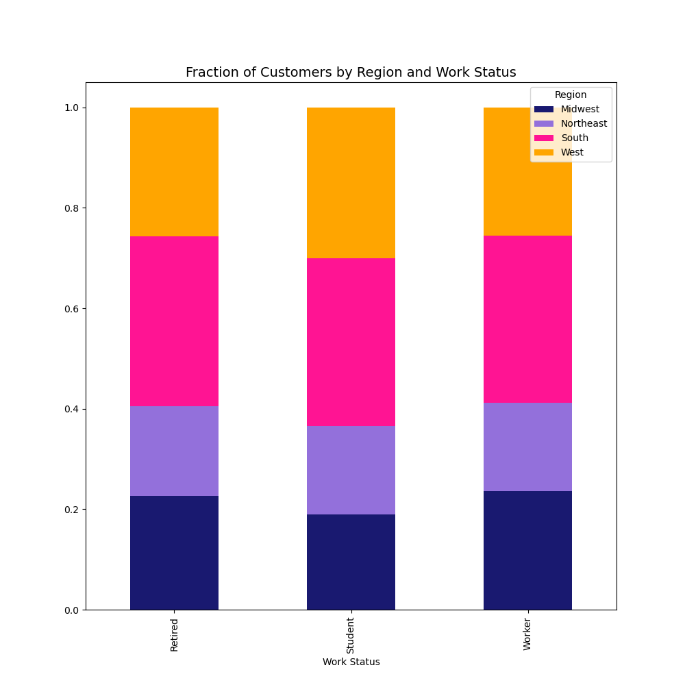
 | Porpotionally, the percentage of students, workers, and retirees is almost the same between regions. There are slightly more students in the West region, and slightly less students in the Midwest, but the differences are not huge.

Percentages of customer by work status and department

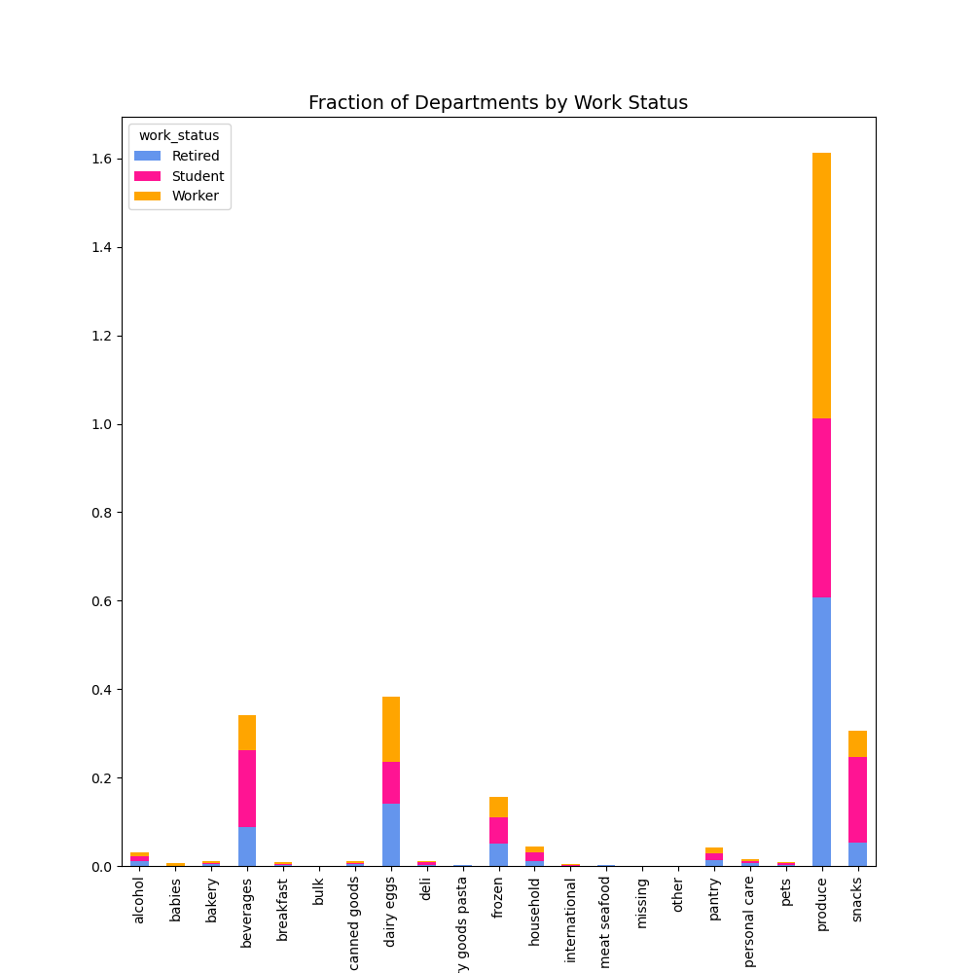
 | These visualizations reiterate the fact that most customers, regardless of any demographic, primarily purchase produce, dairy/eggs, beverages, snacks, and frozen foods. However, it does seem that students make up the majority of snack and beverage purchases between the three. Workers buy more from dariy/eggs than students and retirees and retirees buy the most produce.

7. Recommendations
 |  | Title page

Recommendations

In this tab you should include any recommendations you would made to Instcart in terms of their marketing strategy based on the questions posed in the brief. Every key question has been covered in the Tasks of the Exercises - here you need to add an item - a visualisation or table/crosstable that is showing the answer in the data, acompanied by a comment from you. Please, list the questions below and add the answer underneath.

Question | Answer
1. The sales team needs to know what the busiest days of the week and hours of the days are in order to schedule ads at times when there are fewer orders. | Saturday is the busiest day and Wednesday is the least busy. The busiest hours of the day are between 8-10am, while the least busy are between 2-5am. Wedneday would be a good day to schedule ads, however, schedule ads between 2-5am is unlikely to help as most people are sleeping during this period. Recommend schedules ads after 3pm, when orders begin to decline, but people are still awake.
See sheet : '6. Visualizations'!B10

2. They also want to know whether there are particular times of the day when people spend the most money, as this might inform the type of products they advertise at these times. | It appears that customers are more likely to buy more expensive products at odd hours of the morning (insomnia induced impulse buys?), then lower prices during 'regular' morning hours, then price of products bought begins to increase again after 10 am, but then fall around 8 pm.
See sheet: '6. Visualizations'!B36

3. Instacart has a lot of products with different price tags. Marketing and sales want to use simpler price range groupings to help direct their efforts. | The price_range_loc column groups products into three price categories: High range, mid range, and low range. However, with over 32 million products, it is more effective to look at these price ranges by department. The highest range products are in the meat and seafood department. The produce department has the highest amount of both mid range and low range products.
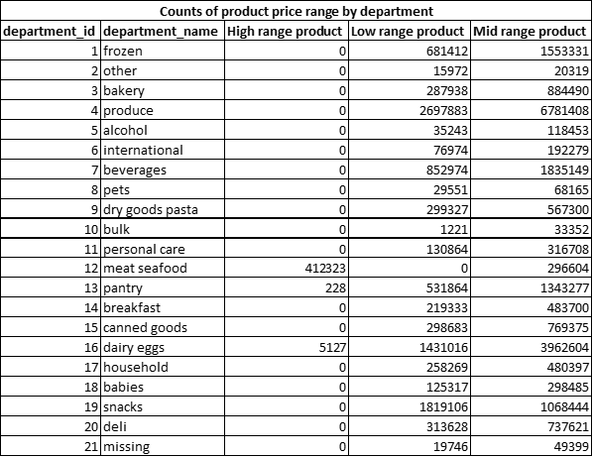

4. Are there certain types of products that are more popular than others? The marketing and sales teams want to know which departments have the highest frequency of product orders. | On average, dairy/eggs department is reordered the most. This is followed by beverages, produce, bakery, and deli.
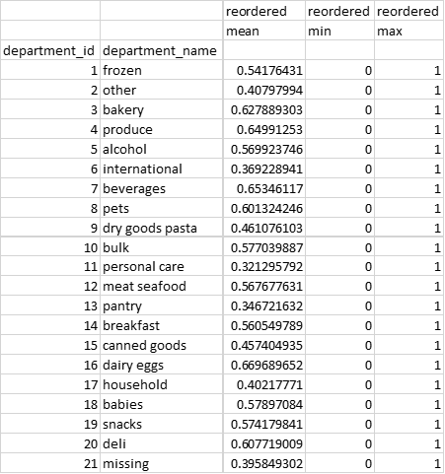

5. What's the distribution among users in regards to their brand loyalty (ie how often do they return to Instacart)? | There are more regular customers (those that put in between 40 and 10)(49%) than loyal customers (those that have put in over 40 orders)(~32%). New customers make up less than 20% of customers.
See sheet: '6. Visualizations'!B58

6. Are there differences in ordering habits based on a customer's loyalty status? | There are no significant difference in ordering habits between customer loyalty and department. All three levels of customer's top five departments from which they purchase products are the: produce, dairy/eggs, snacks, beverages, and frozen departments. All three levels also purchase middle range priced products most often. Loyal customers are more likely to order on Sundays, while Regular and New customers are more likely to order on Saturdays. Regular customers also make up the majority of both the highest and the lowest spenders. Loyal customers have a higher order frequency than Regular and New customers.
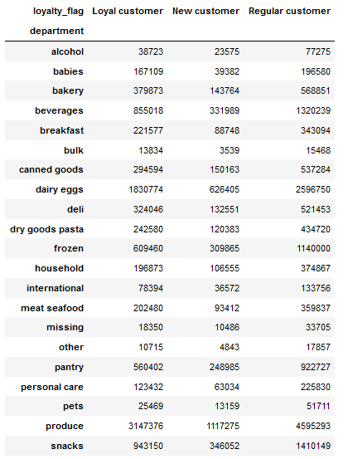
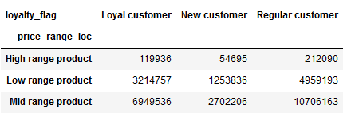 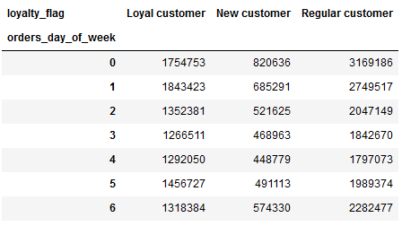

7. Are there differences in ordering habits based on a customer's region? | Products from the bulk department appear to be exclusively purchased in the West and Northeast. The South has the most purchases from the 'missing' category so it is probably useful to find what these missing items are as they should be advertised more in the South. Produce, dairy/eggs, beverages, snacks and frozen are the most utilized departments by all regions.
See sheet: 6. Visualizations'!B87

8. Is there a connection between age and family status in terms of ordering habits? | There is no significance difference between family status and the departments that are shopped. While the majority of customers are married and the least number of customers are living with parents and siblings, they are about equal in loyalty status (porportionaly). This same pattern applies for high vs low spenders, customer frequency, and the price range of products bought. Age category was not made into a flagged variable.
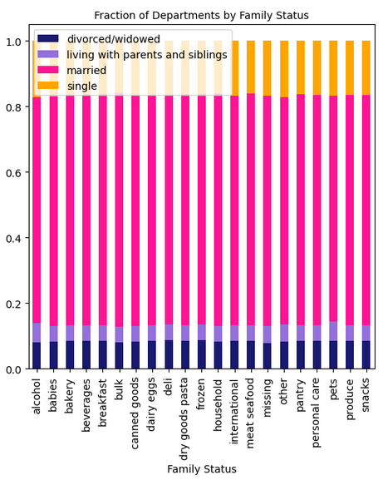

9. what different classifications does the demographic information suggest? Age? Income? Certain types of goods? Family status? | The different type of demographic information suggests that we can make classifcations based on these categories. They can be singular variables, such as an income bracket, or multi variable such as the worker status variable I made which combines age, income, and number of dependants to estimate if a person is likely to be a college student, retired, or an adult in the workforce. For example, this variable showed that those that are likely to be college students are extremly unlikely to be customers. Likewise, those that are likely retired make up only about 5% of customers (even though it was shown that those over the age of 41 have a higher income).

